Info
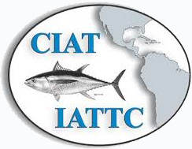
Creation date: 05 Dec 2022 1:54 AM
Inter-American Tropical Tuna Commission

